Manager Customized Statement
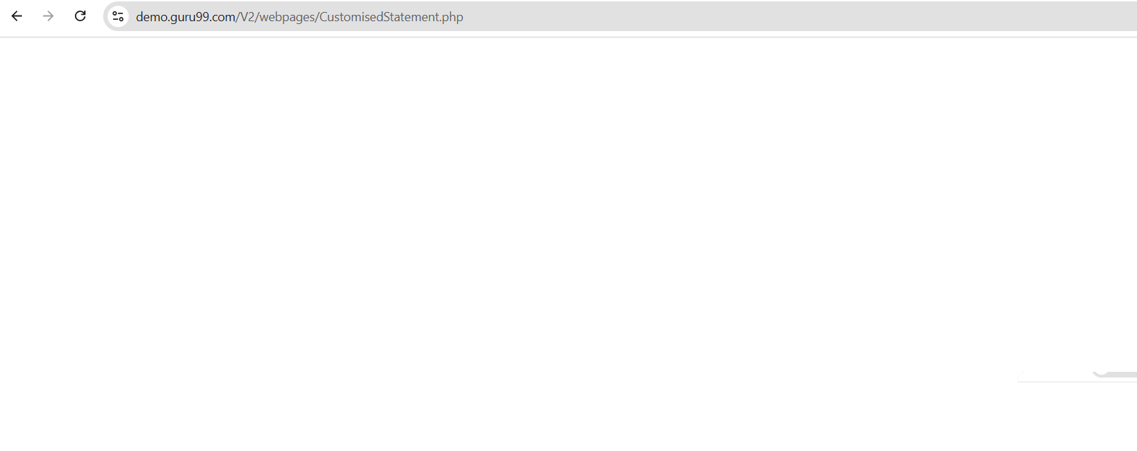
Bug ID | Related TC | Description | Precondition | Steps To Reproduce | Test Data | Priority | Severity | Designed By | Assigned To | Expected Result | Actual Result | Attachments | Status
Bug_Bank_MGR_CS_001 | TC_Bank_MGR_CS_006 | Account No with internal space shows an incorrect validation message. | 1. Google Chrome version 27 or later is installed. 2. Manager user is logged in successfully. 3. Manager is on Customized Statement page. | 1. Navigate to Customized Statement page. 2. Enter Account No containing an internal space. 3. Fill other fields with valid data 4. Observe the validation error that appears. | Manager ID: mngr661915 Manager Password: EzYzypY Account No: "123 456" From Date: 01/05/2026 To Date: 10/05/2026 Minimum Transaction Value: 100 Number of Transaction: 5 | Medium | Low | Rola | Developer | System displays "Spaces are not allowed" | System displayed validation error: "Characters are not allowed" |  | Open
Bug_Bank_MGR_CS_002 | TC_Bank_MGR_CS_008 | Manager is redirected to a blank page instead of seeing the unauthorized account validation message. | 1. Google Chrome version 27 or later is installed. 2. Manager user is logged in successfully. 3. Customized Statement page is available. 4. Test data is prepared in the database. | 1. Navigate to Customized Statement page. 2. Enter an existing Account No assigned to another manager. 3. Fill other fields with valid data 4. Click Submit | Manager ID: mngr661915 Manager Password: EzYzypY Account No: "183494" From Date: 01/05/2026 To Date: 10/05/2026 Minimum Transaction Value: 100 Number of Transaction: 5 | High | High | Rola | Developer | System displays "Account does not belong to this manager" | System did not display the expected validation message "Account does not belong to this manager." Instead, the system redirected to a blank page after submitting the Account No. |  | Open
Bug_Bank_MGR_CS_003 | TC_Bank_MGR_CS_009 TC_Bank_MGR_CS_013 TC_Bank_MGR_CS_024 TC_Bank_MGR_CS_027 TC_Bank_MGR_CS_028 TC_Bank_MGR_CS_029 TC_Bank_MGR_CS_030 TC_Bank_MGR_CS_031 | Customized Statement results are not displayed; system redirects to a blank page for valid search/result scenarios. | 1. Google Chrome version 27 or later is installed. 2. Manager user is logged in successfully. 3. Customized Statement page is available. 4. Test data is prepared in the database. | 1. Navigate to Customized Statement page. 2. Enter a supervised Account No. 3. Enter valid From Date, To Date, Minimum Transaction Value, and Number of Transaction. 4. Click Submit. 5. Observe whether the customized statement, filters, transaction details, transaction limit, or no-data message are displayed on the same page. | Manager ID: mngr661915 Manager Password: EzYzypY Account No: "182827" / "333333" From Date: 01/05/2026 To Date: 10/05/2026 Minimum Transaction Value: 100 or 500 Number of Transaction: 1, 3, or 5 | High | Critical | Rola | Developer | System displays customized statement results successfully on the same page, including transaction details, filters, transaction limits, or the proper no-transactions message according to the selected criteria. | System does not display the customized statement/results. Instead, it redirects to a blank page in the related valid search/result scenarios. |  | Open
Bug_Bank_MGR_CS_004 | TC_Bank_MGR_CS_012 | Invalid date range redirects to a blank page instead of showing a validation message. | 1. Google Chrome version 27 or later is installed. 2. Manager user is logged in successfully. 3. Customized Statement page is available. 4. Test data is prepared in the database. | 1. Navigate to Customized Statement page. 2. Enter From Date greater than To Date. 3. Fill all other fields with valid data 4. Click Submit | Manager ID: mngr661915 Manager Password: EzYzypY Account No: "182827" From Date: 20/05/2026 To Date: 10/05/2026 Minimum Transaction Value: 100 Number of Transaction: 5 | High | High | Rola | Developer | System displays "From Date cannot be greater than To Date" | System did not display the expected validation message. Instead, the system redirected to a blank page after submitting the date range. |  | Open
Bug_Bank_MGR_CS_005 | TC_Bank_MGR_CS_014 TC_Bank_MGR_CS_019 TC_Bank_MGR_CS_020 | Minimum Transaction Value required and positive-value validations are not handled correctly. | 1. Google Chrome version 27 or later is installed. 2. Manager user is logged in successfully. 3. Customized Statement page is available. 4. Test data is prepared in the database. | 1. Navigate to Customized Statement page. 2. Enter valid Account No and valid date range. 3. Leave Minimum Transaction Value blank, enter a negative value, or enter zero. 4. Fill other fields with valid data. 5. Click Submit and observe the validation result. | Manager ID: mngr661915 Manager Password: EzYzypY Account No: "182827" From Date: 01/05/2026 To Date: 10/05/2026 Minimum Transaction Value: Blank / -100 / 0 Number of Transaction: 5 | High | High | Rola | Developer | System displays proper validation messages for blank, zero, or negative Minimum Transaction Value. | System does not display the expected validation messages. In the related scenarios, it accepts invalid values and/or redirects to a blank page. |  | Open
Bug_Bank_MGR_CS_006 | TC_Bank_MGR_CS_017 TC_Bank_MGR_CS_018 | Minimum Transaction Value decimal input is handled as special characters or shows an incorrect decimal validation message. | 1. Google Chrome version 27 or later is installed. 2. Manager user is logged in successfully. 3. Customized Statement page is available. 4. Test data is prepared in the database. | 1. Navigate to Customized Statement page. 2. Enter valid Account No and valid date range. 3. Enter Minimum Transaction Value with decimal places. 4. Fill Number of Transaction with valid data. 5. Click Submit and observe system response. | Manager ID: mngr661915 Manager Password: EzYzypY Account No: "182827" From Date: 01/05/2026 To Date: 10/05/2026 Minimum Transaction Value with 2 decimal places Minimum Transaction Value with more than 2 decimal places Number of Transaction: 5 | Medium | Medium | Rola | Developer | System accepts values with up to 2 decimal places and displays a specific validation error for values with more than 2 decimal places. | System rejects decimal input or displays the generic validation message "Special characters are not allowed" instead of handling decimal rules correctly. |  | Open
Bug_Bank_MGR_CS_007 | TC_Bank_MGR_CS_021 TC_Bank_MGR_CS_025 | Number of Transaction blank or zero values are accepted and redirect to a blank page instead of showing validation messages. | 1. Google Chrome version 27 or later is installed. 2. Manager user is logged in successfully. 3. Customized Statement page is available. 4. Test data is prepared in the database. | 1. Navigate to Customized Statement page. 2. Leave Number of Transaction blank or enter zero. 3. Fill all other fields with valid data. 4. Click Submit. 5. Observe whether the proper validation message is displayed. | Manager ID: mngr661915 Manager Password: EzYzypY Account No: "182827" From Date: 01/05/2026 To Date: 10/05/2026 Minimum Transaction Value: 100 Number of Transaction: Blank / 0 | High | High | Rola | Developer | System displays the proper validation message when Number of Transaction is blank or less than 1. | System did not display the expected validation message. Instead, it accepted the blank/zero Number of Transaction value and redirected to a blank page. |  | Open
Bug_Bank_MGR_CS_008 | TC_Bank_MGR_CS_036 | Reset button does not remove validation messages from the page. | 1. Google Chrome version 27 or later is installed. 2. Manager user is logged in successfully. 3. Customized Statement page is available. 4. Test data is prepared in the database. | 1. Navigate to Customized Statement page. 2. Trigger any validation error. 3. Click Reset | Manager ID: mngr661915 Manager Password: EzYzypY Account No: "123456@" | Medium | Low | Rola | Developer | All validation error messages disappear from the page. | The validation error message remained displayed after clicking Reset . |  | Open

Customer Fund Transfer

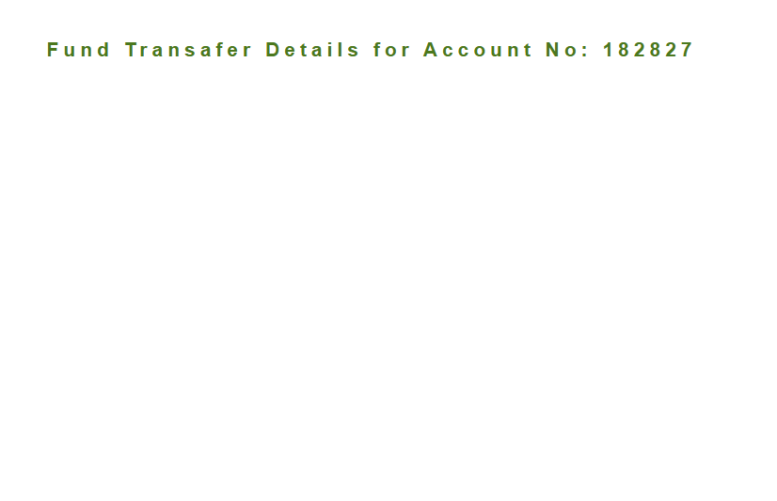
Bug ID | Related TC | Description | Precondition | Steps To Reproduce | Test Data | Priority | Severity | Designed By | Assigned To | Expected Result | Actual Result | Attachments | Status
Bug_Bank_CUST_FT_001 | TC_Bank_CUST_FT_005 TC_Bank_CUST_FT_006 | Payer account format validation accepts leading spaces and invalid length. | 1. Google Chrome version 27 or later is installed. 2. Customer user is logged in successfully. 3. Fund Transfer page is available. | Scenario 1: 1. Enter a payer account beginning with a space. 2. Enter valid remaining data. 3. Click Submit. Scenario 2: 1. Enter a payer account containing fewer than 6 digits. 2. Enter valid remaining data. 3. Click Submit. | Scenario 1: Payer: " 123456" Scenario 2: Payer: "12345" Valid Payee: "183528" Amount: "100" Description: "Test" | Medium | Medium | Rola | Developer | The system rejects the invalid payer account before account lookup and displays the appropriate format validation message: - Leading space: "First character cannot have space" - Invalid length: account number must be exactly 6 digits. | The system accepted both invalid payer account formats and continued to account lookup, displaying "Account does not exist" instead of the required format validation message. |  | Open
Bug_Bank_CUST_FT_002 | TC_Bank_CUST_FT_011 TC_Bank_CUST_FT_012 | Payee account format validation accepts leading spaces and invalid length. | 1. Google Chrome version 27 or later is installed. 2. Customer user is logged in successfully. 3. Fund Transfer page is available. | Scenario 1: 1. Enter a payee account beginning with a space. 2. Enter valid remaining data. 3. Click Submit. Scenario 2: 1. Enter a payee account containing fewer than 6 digits. 2. Enter valid remaining data. 3. Click Submit. | Valid Payer: "182827" Scenario 1: Payee: " 654321" Scenario 2: Payee: "65432" Amount: "100" Description: "Test" | Medium | Medium | Rola | Developer | The system rejects the invalid payee account before account lookup and displays the appropriate format validation message: - Leading space: "First character cannot have space" - Invalid length: account number must be exactly 6 digits. | The system accepted both invalid payee account formats and continued to account lookup, displaying "Account does not exist" instead of the required format validation message. |  | Open
Bug_Bank_CUST_FT_003 | TC_Bank_CUST_FT_018 TC_Bank_CUST_FT_019 | Fund transfer accepts zero and negative amounts. | 1. Google Chrome version 27 or later is installed. 2. Customer user is logged in successfully. 3. Fund Transfer page is available. | Scenario 1: 1. Enter valid payer and payee accounts. 2. Enter Amount = 0. 3. Click Submit. Scenario 2: 1. Enter valid payer and payee accounts. 2. Enter Amount = -100. 3. Click Submit. | Payer: "182827" Payee: "183494" Scenario 1 Amount: "0" Scenario 2 Amount: "-100" Description: "Test" | High | Critical | Rola | Developer | The system rejects zero and negative values and displays "Amount must be greater than zero". | The system accepted both zero and negative amount values instead of displaying the required validation message. |  | Open

Bug_Bank_CUST_FT_004 | TC_Bank_CUST_FT_020 TC_Bank_CUST_FT_021 | Decimal amounts are incorrectly treated as special characters. | 1. Google Chrome version 27 or later is installed. 2. Customer user is logged in successfully. 3. Fund Transfer page is available. 4. Valid transfer data is available. | Scenario 1: 1. Enter valid payer and payee accounts. 2. Enter Amount = 100.50. 3. Enter a valid description. 4. Click Submit. Scenario 2: 1. Enter valid payer and payee accounts. 2. Enter Amount = 100.555. 3. Enter a valid description. 4. Click Submit. | Payer: "182827" Payee: "183494" Amount for TC_020: "100.50" Amount for TC_021: "100.555" Description: "Test" | Medium | Medium | Rola | Developer | - Accepts amounts containing up to two decimal places, such as "100.50". - Rejects amounts containing more than two decimal places, such as "100.555", and displays a validation message indicating that only up to two decimal places are allowed. | System displayed "Special characters are not allowed" because the decimal point was treated as a special character. |  | Open
Bug_Bank_CUST_FT_005 | TC_Bank_CUST_FT_026 | Transfer is processed without displaying the confirmation message. | 1. Google Chrome version 27 or later is installed. 2. Customer user is logged in successfully. 3. Fund Transfer page is available. 4. Valid transfer data is available. | 1. Enter a valid payer account. 2. Enter a valid payee account. 3. Enter a valid amount and description. 4. Click Submit. | Payer: "182827" Payee: "183494" Amount: "100" Description: "Test" | High | High | Rola | Developer | The system displays "Do you really want to transfer this amount?" and waits for the customer to select OK or Cancel before processing. | The system did not display a confirmation message after Submit and processed the transfer directly. |  | Open
Bug_Bank_CUST_FT_006 | TC_Bank_CUST_FT_029 | Fund Transfer Details page does not display transaction details. | 1. Google Chrome version 27 or later is installed. 2. Customer user is logged in successfully. 3. Fund Transfer page is available. 4. Valid transfer data is available. | 1. Complete a valid fund transfer. 2. Observe the Fund Transfer Details page. | Payer: "182827" Payee: "183494" Amount: "100" Description: "Test" | High | High | Rola | Developer | The system redirects to a confirmation page displaying Transaction ID, Payer Account No, Payee Account No, Amount Transferred, Description, Date, and Time. | The system redirected to the Fund Transfer Details page but displayed only the heading for Account No. Transaction ID, payer, payee, amount, description, date, and time were not displayed. |  | Open
Bug_Bank_CUST_FT_007 | TC_Bank_CUST_FT_030 | Reset button does not remove validation messages. | 1. Google Chrome version 27 or later is installed. 2. Customer user is logged in successfully. 3. Fund Transfer page is available. | 1. Trigger a validation error on the Fund Transfer form. 2. Verify that the validation message is displayed. 3. Click Reset. 4. Observe the validation message. | Any invalid or incomplete form data that triggers a validation message. | Medium | Low | Rola | Developer | The Reset button clears all entered fields and removes all displayed validation messages without navigating away. | The entered fields were cleared, but the displayed validation messages remained after clicking Reset. |  | Open

Edit Account
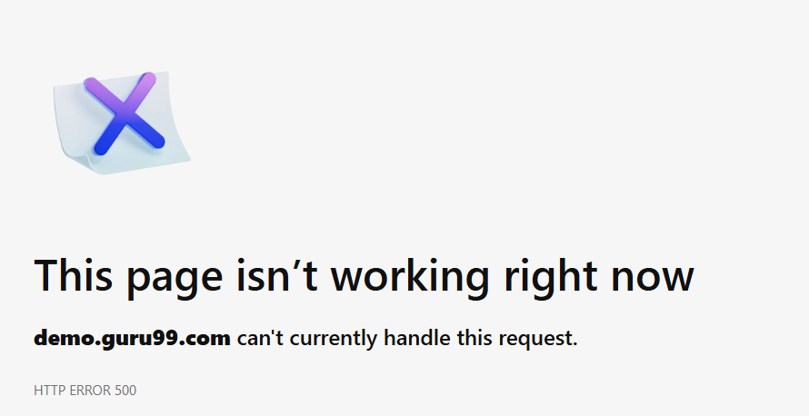
Bug ID | Related TC | Description | Precondition | Steps To Reproduce | Test Data | Priority | Severity | Designed By | Assigned To | Expected Result | Actual Result | Attachments | Status
TC_Bank_MGR_BEA_001 | TC_Bank_MGR_EA_001 | verify the manger edit account to an exicting customer with valid credentails | 1-User logged in as a manger 2-User already exists on the system 3- user is on the edit page 4- User has already existing account | 1-enter custome id 2- submit | "123" | High | High | Karen | Developer | account updated successfuly

